Sheet1
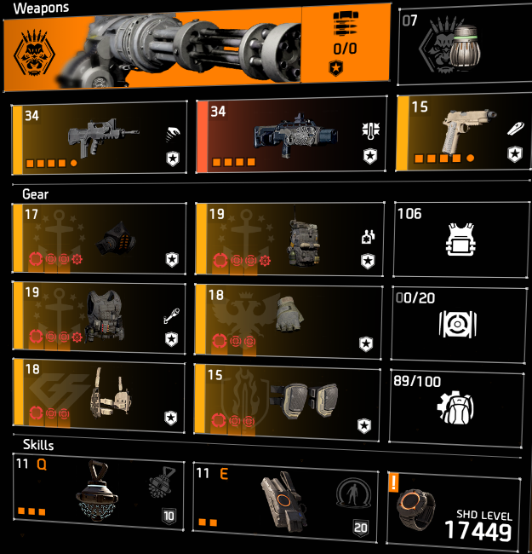
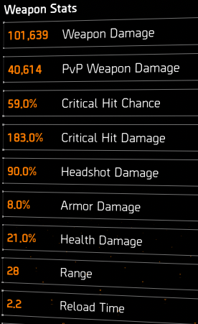
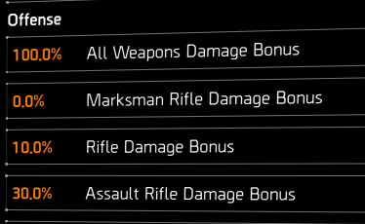
name | rpm | mag size | reload | avg shot | burst dps | percents | sustain dps | percents |  | Body | Body+Crit | HSD | HSD+crit
glass normal | 900 | 50 | 2.2 | 702,673.6 | 10,540,105 | 100.00% | 6,349,461 | 100.00% |  | 235,820.3 | 667,371.4 | 448,058.5 | 879,609.6
glass only additive | 900 | 50 | 2.2 | 44,204.4 | 663,066 | 6.29% | 399,438 | 6.29% |  | 235,820.3 | 667,371.4 | 448,058.5 | 879,609.6
glass only multiplicative | 900 | 50 | 2.2 | 2,838,999,952.0 | 42,584,999,283 | 404028.24% | 25,653,614,026 | 404028.24% |  | 3,376,766.5 | 3,865,167,808.0 | 560,543,237.4 | 4,422,334,279.0
d | 900 | 50 | 2.2 | 0.0 | 0 | 0.00% | 0 | 0.00% |  | 0.0 | 0.0 | 0.0 | 0.0
e | 900 | 50 | 2.2 | 0.0 | 0 | 0.00% | 0 | 0.00% |  | 0.0 | 0.0 | 0.0 | 0.0
f | 900 | 50 | 2.2 | 0.0 | 0 | 0.00% | 0 | 0.00% |  | 0.0 | 0.0 | 0.0 | 0.0
h | 900 | 50 | 2.2 | 0.0 | 0 | 0.00% | 0 | 0.00% |  | 0.0 | 0.0 | 0.0 | 0.0
i | 900 | 50 | 2.2 | 0.0 | 0 | 0.00% | 0 | 0.00% |  | 0.0 | 0.0 | 0.0 | 0.0
striker normal | 1,035 | 50 | 1.9 | 742,373.4 | 12,805,942 | 121.50% | 7,735,392 | 121.83% |  | 279,508.1 | 701,565.3 | 489,139.1 | 911,196.3
striker self multi talent | 1,035 | 50 | 1.9 | 1,003,991.0 | 17,318,844 | 164.31% | 10,461,398 | 164.76% |  | 378,008.7 | 948,801.7 | 661,515.1 | 1,232,308.2
stats | rpm | mag size | reload
 | 900 | 50 | 2.2

avgshot | base | WD+SWD | CHD | CHC | HSD | TWD | AMP | DTH/DTA | DTTOOC | AMP | AMP
702,674 | 44,190.87 | 130.0 | 183.0 | 59.0 | 90.0 | 25.0 | 30 | 21.0 | 18.0
44,204 | 44,190.87 | 130.0 | 183.0 | 59.0 | 90.0 | 25.0 | 30 | 21.0 | 18.0
2,838,999,952 | 44,190.87 | 2,059.0 | 114,363.6 | 59.0 | 16,500.0 | 25.0 | 30 | 21.0 | 80.0
0
0
0
0
0
742,373 | 44,191.00 | 130.0 | 151.0 | 60.0 | 75.0 | 25.0 | 100 |  | 10.0
1,003,991 | 44,191.00 | 130.0 | 151.0 | 60.0 | 75.0 | 25.0 | 170.48 |  | 10.0
calculate base: | base | weapon dmg | WD+SWD
 | 44,190.87 | 101,639 | 130.0

